1. Title Page
Instacart Basket Analysis

Project Name: Instacart Basket Analysis
Date: 11/10/2022
Analyst Name: Alejandro Salgado

Contents:
Population Flow
Consistency checks
Wrangling steps
Column derivations
Visualizations
Recommendations

Objective: | You’re an analyst for an existing company, Instacart, an online grocery store that operates through an app.
Instacart already has very good sales, but they want to uncover more information about their sales patterns.
Your task is to perform an initial data and exploratory analysis of some of their data in order to derive insight
and suggest strategies for better segmentation based on the provided criteria.

Data citation: “The Instacart Online Grocery Shopping Dataset 2017”, Accessed from https://www.instacart.com/datasets/grocery-shopping-2017 on 10/20/2022
Customer data and product prices were fabricated and used for learning purposes.

2. Population Flow
Population flow

Exclusion flag
Condition: max_order <
Obervations to be removed:
Final total count of order_products_all:

Orders_products_combined
Orders_products_merged
df_merged_final_1

Total: 32404859
Total: 32434489
Total: 32404859

1.) The grey boxes in the first row of the population flow represent the original data sets as they were when you downloaded them. In the Total fields you need to add the count of the rows when you imported the data set into Jupyter.
2.) The second row of boxes (coloured) represents the data sets after you manipulated them, e.g., removed missing values and duplicates. In the Total fields you need to add the count of the rows after conducting these operations. This offers a visual oveview of how the data flows throughout the data consistency checks.
3.) The third row, where also the arrows are coloured, represents the merges you performed between the datasets. In the Total fields you need to add the count of the rows in the merged datasets, so that you end up with the final dataset (in the red box). Keep in mind the final dataset should be without exclusions (based on the exclusion flag).

3. Consistency checks
Consistency checks

Dataset | Missing values | Missing values treatment | Duplicates
orders | days_since_prior_order | new column made for new customers | No duplicates
products | product_name | dropped | 5 row dups dropped
orders_products_prior
customers | first_name | none | none

4. Wrangling steps
Wrangling steps

Columns dropped | Columns renamed | Columns' type changed | Comment/Reason
eval_set |  |  | not needed. Orders.csv doc
user_id |  | int. to string | not needed to calculate states. Orders.csv doc
order_id |  | int. to string | not needed to calculate states. Orders.csv doc
 | user_id to customer_id |  | more intuitive name
product_name |  |  | dropped as the names were missing values
Unamed: 0.1 |  |  | not needed
Unnamed: 0_x |  |  | not needed
 | First Name to first_name |  | more intuitive name from customer.csv
 | Surnam to last_name |  | more intuitive name from customer.csv
 | Gender to gender |  | more intuitive name from customer.csv
 | STATE to state |  | more intuitive name from customer.csv
 | Age to age |  | more intuitive name from customer.csv
 | date_joined to date_joined |  | more intuitive name from customer.csv
 | n_dependants to no_of_dependents |  | more intuitive name from customer.csv
 | fam_status to marital_status |  | more intuitive name from customer.csv
 | customer_id to user_id |  | switched to keep data streamlined

5. Column derivations
 |  |  |  | Title page

Column derivations and aggregations

In this tab you should add tables below that the frequences of flags/label variables that you produced after deriving them. NB: don't do this for continuous variables, only for flags.
Dataset | New column | Column/s it was derived from | Conditions
df_orders_products_merged | price_range_loc | prices | If statemennts
df_orders_products_merged | price_label | prices | If statemennts
df_orders_products_merged | busiest_day | orders_day_of_week | If statemennts
df_orders_products_merged | busiest_days | busiest_day | If statemennts
df_orders_products_merged | busiest_period_of_day | order_hour_of_day | If statemennts
orders_products_merged_v2 | max_order | customer_id, order_number | Aggregating data
orders_products_merged_v3 | spending_flag | average_price | Aggregating data
orders_products_merged_v3 | frequency_flag | median_days_since_prior_order | Aggregating data
df_merged_final_1 | age_group_flag | age | There are 3 profiles . Young have age < 30 Middle age have 30 <= age < 65, seniors have age <= 65
df_merged_final_1 | income_group_flag | income | Income in US; Low = less than 55,000. Middle = 55,000 - 155,000. High = more than $155,000
df_merged_final_1 | family_flag | no_of_dependents | Has dependants (1+) = value 1 or has no dependants= value 0
df_merged_final_1 | organic_shopper_flag | product_name | Compares those who shop organic and those who do not
df_merged_final_1 | department | deprtment_id | data dictionary from departments_wrangled.csv

6. Visualizations
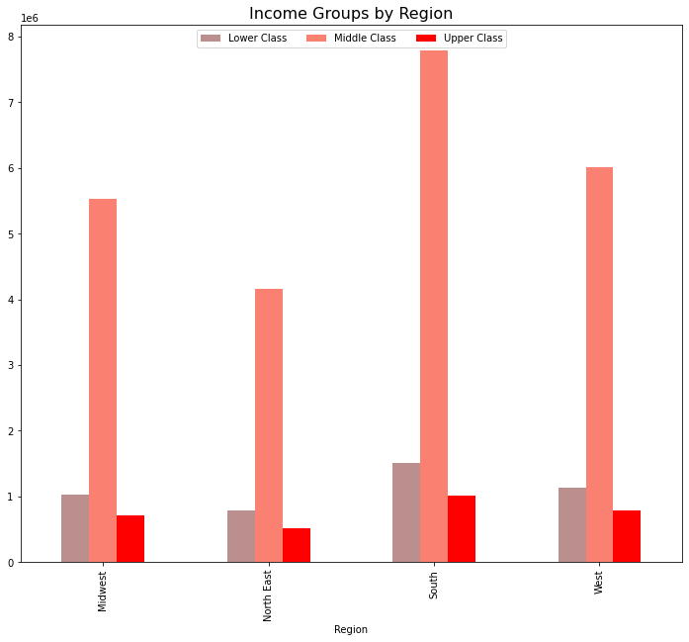
Visualizations

In this tab you should include all the visualizations from Exercises 4.9 and 4.10, alongside the questions from the project brief that they answer. Include any commentary on the relationship between different variables.

Key questions will be answered on the Recommendations tab

4.9 Visualizations

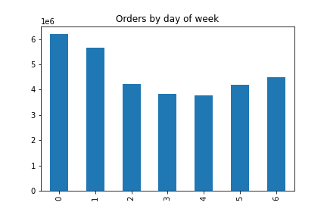
Bar Chart: Orders during days of the week |  |  |  | Histogram: Orders by hour of day
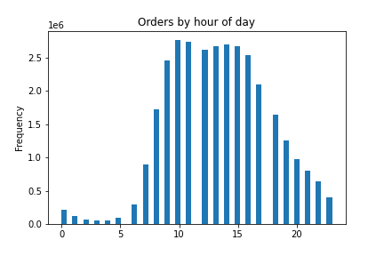

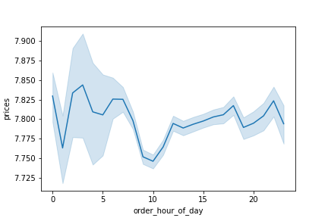

Line chart: Order hour of day and prices |  |  |  |  | Histogram: Prices of items

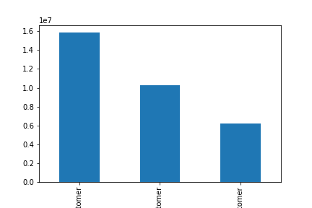

Bar Chart: Loyalty flag |  |  |  |  | Scatterplot: Age and Income

 | Regular customer | Loyal customer | New customer
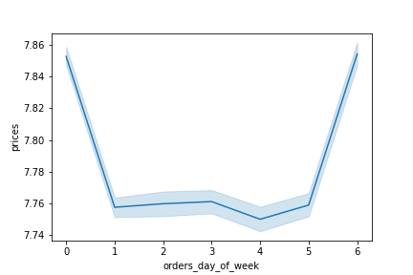
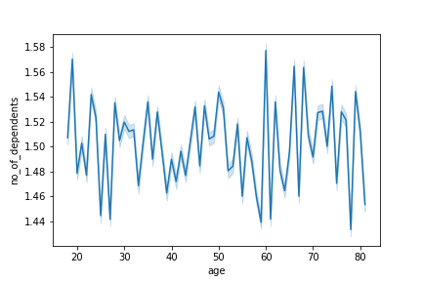
Line chart: Age and number of dependents |  |  |  |  |  | Line chart: Order day of the week and prices

4.10 Visualizations

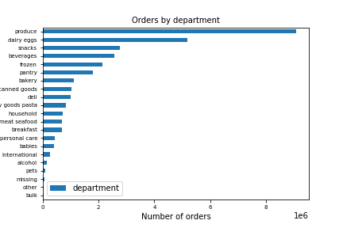
Bar Chart: Orders by department |  |  |  |  |  | Bar chart: Loyalty flag
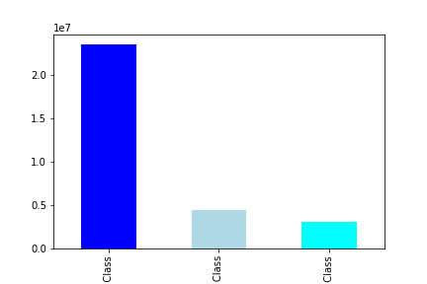

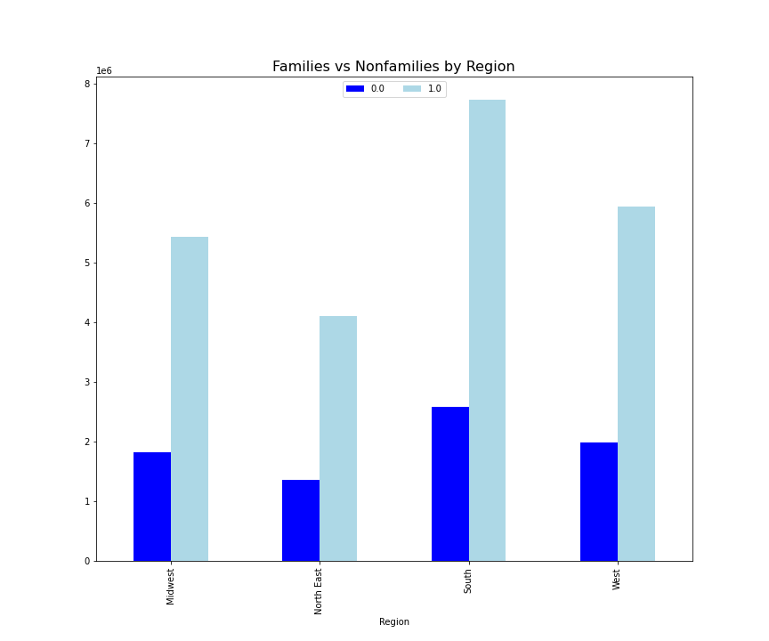
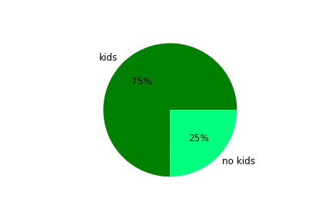
 | Pie chart: families with kids and no kids |  |  |  |  | Bar chart: Family with kids and no kids by region

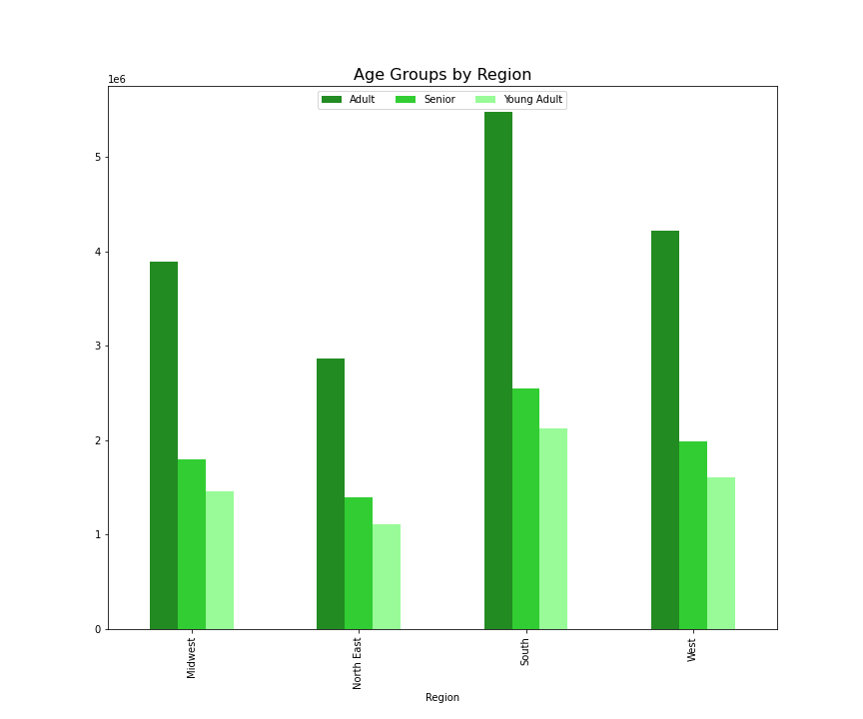
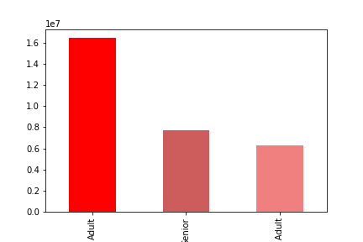
 | Bar chart: Age groups |  |  |  |  | Bar chart: Age groups by region

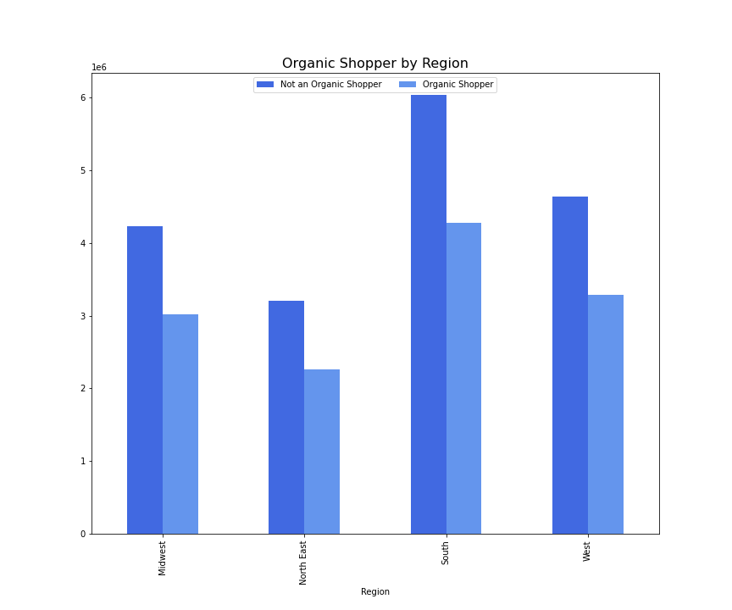
 | Pie chart: Organic shopper vs. Not an organic shopper |  |  |  |  | Bar chart: Organic shopper vs. Not an organic shopper by region
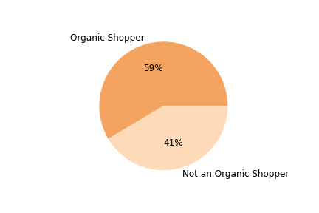

 | Bar chart: Income groups by reigon

7. Recommendations
 |  |  | Title page

Recommendations

In this tab you should include any recommendations you would made to Instcart in terms of their marketing strategy based on the questions posed in the brief. Every key question has been covered in the Tasks of the Exercises - here you need to add an item - a visualization or table/crosstable that is showing the answer in the data, acompanied by a comment from you. Please, list the questions below and add the answer underneath.

Questions | Answers:
Key Question 1:
The sales team needs to know what the busiest days of the week and hours of the day are (i.e., the days and times with the most orders) in order to schedule ads at times when there are fewer orders. | The busiest days of the week are SATURDAY and SUNDAY. The busiest times of day are from 10AM to 3PM.

Key Question 2: |  | How much is spent during the day
They also want to know whether there are particular times of the day when people spend the most money, as this might inform the type of products they advertise at these times. | There is a lot of activity from 4AM to 8AM and that is where the most expensive products are bought. Later at night we see more activity. I am recommending targeting ads during those times.

Key Question 3:
Instacart has a lot of products with different price tags. Marketing and sales want to use simpler price range groupings to help direct their efforts. Are there certain types of products that are more popular than others? The marketing and sales teams want to know which departments have the highest frequency of product orders. | Marketing can focus on the top 5 departments which are: Produce, Dairy Eggs, Snacks, Beverages, and Frozen.

Key Question 4:
The marketing and sales teams are particularly interested in the different types of customers in their system and how their ordering behaviors differ. For example: | 4a: Based on the data Redular customer: 15876776, Loyal customer: 10284093, New customer: 6243990

4a: What’s the distribution among users in regards to their brand loyalty (i.e., how often do they return to Instacart)?

4b: Are there differences in ordering habits based on a customer’s loyalty status?

4c. Are there differences in ordering habits based on a customer’s region?
 |  | Regular Loyal New Customer
4d. Is there a connection between age and family status in terms of ordering habits?
 | 4b: Loyal customer spend less, but order more. Average spending is about the same. Marketing can target loyal customer to spend more and also target new customers to retain them. Loylaty_flag mean Loyal customer: 10.386336 New customer: 13.294670 Regular customer: 12.495717 | Regional Observations:

 | 4c: The south for example has a high middle class income and high income and are most likely to have a famaily that they will order food for. The have the highest organic shoppers and the most non-organic shoppers.
 | Income, age groups, family status, and organic shopper are simlar across regions.
 | 75% of all customers have dependents.
 | 59% of all customers are organic shoppers.
 | Send discounts and incentives custom to each region and target families as the majority of customers are in a family.

 | 4d: Age and family status is not correlated, but age and income are.
 | Send custom ads to each region with high-end products to those who can afford it.

Key Question 5: What different classifications does the demographic information suggest? Age? Income? Certain types of goods? Family status? | The data suggests that customers are adults over 30 , they are mid to high income, and have at least one dependent (75%). | Age Chart
 | Marketing can target them across all regions to maximize profits. 59% of them are also organic shoppers if targeted may boost revenue as organic foods tend to be more expensive.

Key Question 6: What differences can you find in ordering habits of different customer profiles? Consider the price of orders, the frequency of orders, the products customers are ordering, and anything else you can think of. | Marketing an increase ads for high-range products for customers that can afford them and they can target high spenders.
 | Middle and high income customers can be targetd with ads for higher end produce such as organic produce. They can also be targeted with items based on their history so they can increase spending. Low and mid range products can be targeted to the low income groups as they are less likely to purchase higher end products.

